Sheet_1
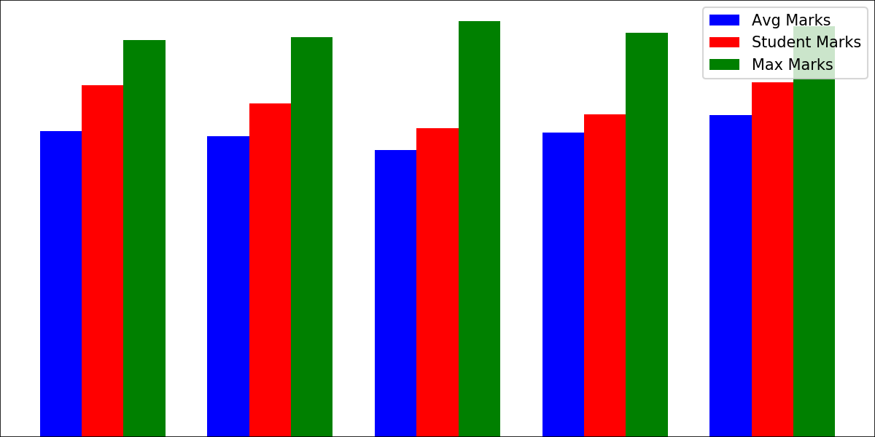
College | Name | I2IT

College | Code | 4095
Gender |  | M
Roll | No. | 2
Name |  | Piyush
Subjects | Avg | Max | Your | Grades
Maths | 7.5825 | 8.41 | 6.48 | C
Physics | 7.1625 | 8.24 | 5.9 | D
Chemistry | 6.2775 | 7.52 | 4.15 | P
Computer | 6.69 | 8.25 | 4.29 | P
English | 6.945 | 8.18 | 4.96 | P
Percentage | 51.56 | 40.6 | 25.78 | D

